Guidelines
Guidelines
This excel file contains an initial database 0.5 with sources for an AI-driven transformative innovation and trend scanner. It also contains sources for cases related to COVID-19 responses, which is part of a related project to build a new web portal that can provide inspiration for 1.5°C-compatible pathways.
This file includes the following sheets:
> Guidelines
> AI-scanner sources (including sources for both innovations and trends)
> COVID-19 sources
> Tagging structure for innovations
> Tagging structure for trends
> Tagging structure for COVID-19 cases
> Frameworks
The sheet "AI-scanner sources" constitutes the core of the database and contains >2700 sources. The sources are tagged based on the different categories that can be found under the sheet "Frameworks" and in the tagging structures for innovations and trends that have their own separate sheets. The sheets with the tagging structures also give an overview of the number of sources collected for each innovation and trend and how each innovation and trend has been taged. The sheet "COVID-19 sources" contains approximately 300 sources for the COVID-19 web portal (many of which could be included in the database for the AI-scanner).
This database has been built by the consultancy Future Next and has been commissioned by The Research Institutes of Sweden (RISE) and is part of Mission Innovation’s (MI) Net-Zero Compatible Innovation Initiative (NCI).

Frameworks
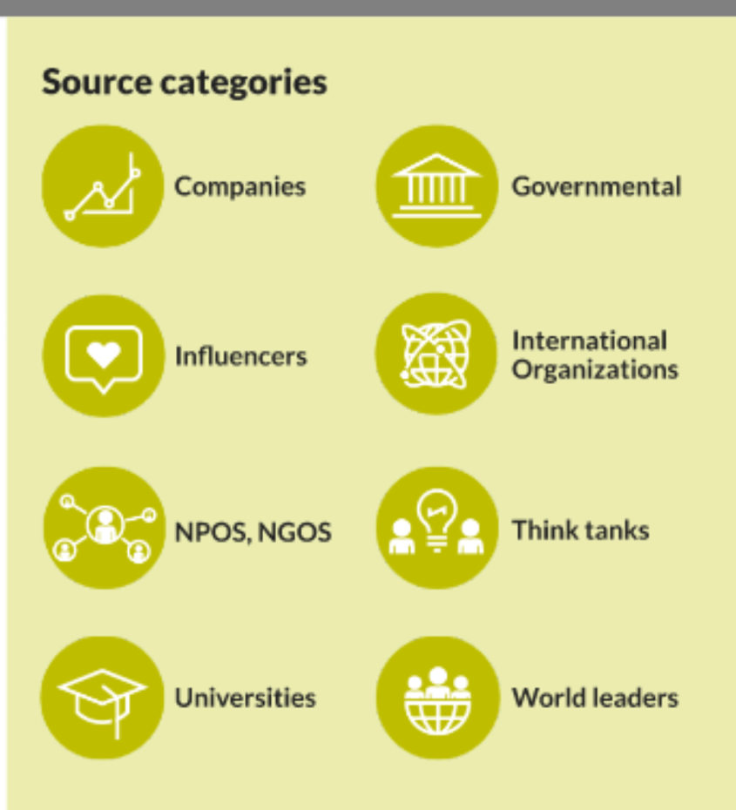
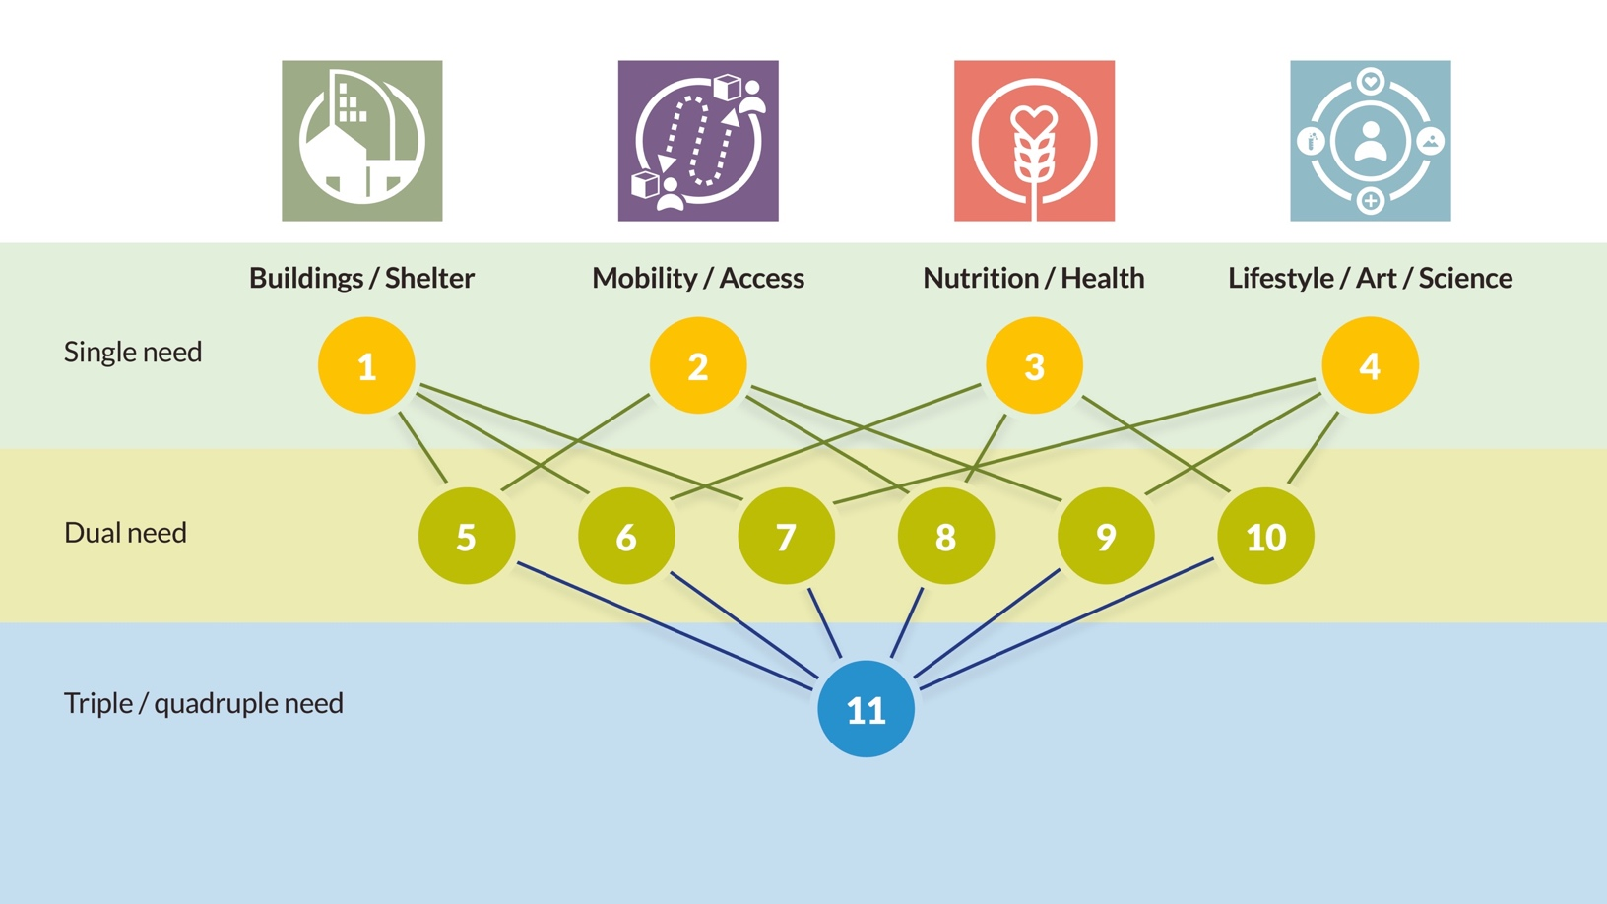
STEEPLED | NEED | SDG | Source Category | Inspiration for souce categories | Needs framework
Social | Mobility/Access | SDG 1. No Poverty | Company
Technological | Nutrition | SDG 2. Zero Hunger | Government
Economic | Health | SDG 3. Good Health and Well-being | Influencer
Ethical | Education | SDG 4. Quality Education | NGO
Political | Lifestyle/Arts/Science | SDG 5. Gender Equality | NPO
Legal | Buildings/Spaces | SDG 6. Clean Water and Sanitation | Think tank
Environmental | N/A | SDG 7. Affordable and Clean Energy | University/Research
Demographic |  | SDG 8. Decent Work and Economic Growth | World Leader
N/A |  | SDG 9. Industry, Innovation, and Infrastructure | International Organisation
 |  | SDG 10. Reducing Inequality | Media
 |  | SDG 11. Sustainable Cities and Communities | Magazine
 |  | SDG 12. Responsible Consumption and Production | Blog
 |  | SDG 13. Climate Action | Clusters/Other
 |  | SDG 14. Life Below Water
 |  | SDG 15. Life On Land
 |  | SDG 16. Peace, Justice, and Strong Institutions
 |  | SDG 17. Partnerships for the Goals
 |  | N/A

